1. Title Page
Grocery Basket Analysis

Project Name: Grocery Basket Analysis
Date: 04/28/2022
Analyst Name: Gavin Lee

Contents:
Population Flow
Consistency checks
Wrangling steps
Column derivations
Visualizations
Recommendations

Objective:
Instacart already has very good sales, but they want to uncover more
information about their sales patterns. Your task is to perform an initial data and exploratory
analysis of some of their data in order to derive insights and suggest strategies for better
segmentation based on the provided criteria.

Context:
The Instacart stakeholders are most interested in the variety of customers in their database
along with their purchasing behaviors. They assume they can't target everyone using the same
methods, and they’re considering a targeted marketing strategy. They want to target different
customers with applicable marketing campaigns to see whether they have an effect on the sale
of their products.

2. Population Flow
Title page

Population flow

Exclusion flag
Condition: max_order <
Obervations to be removed:
Final total count of order_products_all:

Orders_products_combined
Orders_products_merged
Orders_products_all

Total: 32,404,859
Total: 32434489
Total: 32,404,859

1.) The grey boxes in the first row of the population flow represent the original data sets as they were when you downloaded them. In the Total fields you need to add the count of the rows when you imported the data set into Jupyter.
2.) The second row of boxes (coloured) represents the data sets after you manipulated them, e.g., removed missing values and duplicates. In the Total fields you need to add the count of the rows after conducting these operations. This offers a visual oveview of how the data flows throughout the data consistency checks.
3.) The third row, where also the arrows are coloured, represents the merges you performed between the datasets. In the Total fields you need to add the count of the rows in the merged datasets, so that you end up with the final dataset (in the red box). Keep in mind the final dataset should be without exclusions (based on the exclusion flag).

3. Consistency checks
 |  |  |  | Title page
Consistency checks

Dataset | Missing values | Missing values treatment | Duplicates
orders | "days_since_prior_order" (206,209 values) | Created flag for first time customers
products | "product_name" (16 values) | Created new dataframe | 5 duplicates
orders_products_prior
customers | "first_name" (11,259 values)

4. Wrangling steps
 |  |  |  | Title page
Wrangling steps

Columns dropped | Columns renamed | Columns' type changed | Comment/Reason
"eval_set" |  |  | Not needed
 | "order_dow" |  | Unclear what "dow" meant
 |  | "order_id" | Ignore as numerical value
 |  | "user_id" | Ignore as numerical value
"Unnamed: 0" |  |  | Not needed
"_merge" |  |  | Not needed
 | "First_Name" |  | Made consistent names
 | "Last_Name" |  | Made consistent names
 | "Gender" |  | Made consistent names
 | "STATE" |  | Made consistent names
 | "Age" |  | Made consistent names
"first_name" |  |  | Contained PII
"last_name" |  |  | Contained PII

5. Column derivations
 |  |  |  | Title page

Column derivations and aggregations

In this tab you should add tables below that the frequences of flags/label variables that you produced after deriving them. NB: don't do this for continuous variables, only for flags.
Dataset | New column | Column/s it was derived from | Conditions
merged_ords_prods | "busiest_day" | "orders_day_of_week" | "Busiest day", "Least busy" and "regularly busy" based on total orders per each day
 | "busiest_period_of_day" | "order_hour_of_day" | "Most orders", "fewest orders", and "average orders" based ontotal orders per each time of day
 | "spending_flag" | "average_user_price" | Whether average user price is greater than or equal to 10
 | "order_frequency" | "days_since_prior_order" | Frequent customer flag based on how many days since last order
df_merged | "region" | "state" | Grouped states into 4 regions of the US
 | "exclusion_flag" | "max_order" | Whether customer exhibits high activity with greater than or equal to 5 orders
 | "age_profile" | "age" | Grouped ages into mostly 10 year intervals
 | "income_profile" | "income" | Grouped incomes into mostly $25,000 intervals
 | "goods_profile" | "department_id" | Grouped values of "department_id" into respective group names
 | "dependents_profile" | "n_dependants" | Grouped customers by parental status

6. Visualizations
 |  | Title page

Visualisations

In this tab you should include all the visualtions from Exercises 4.9 and 4.10, alongside the questions from the project brief that they answer. Include any commentary on the relationship between different variables.

1. The sales team needs to know what the busiest days of the week and hours of the day
are (i.e., the days and times with the most orders) in order to schedule ads at times
when there are fewer orders.

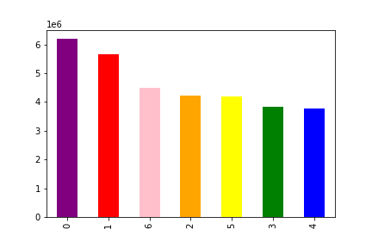


The top left chart shows day of the week on the X-axis (0 meaning Saturday), with number of orders on the Y-axis. Evidently, Saturday and Sunday are the busiest days for Instacart.
The top right chart shows time on the X-axis (0 meaning midnight), with number of orders on the Y-axis. From roughly 8am to 5pm are the busiest hours for Instacart.

2. They also want to know whether there are particular times of the day when people spend
the most money, as this might inform the type of products they advertise at these times.

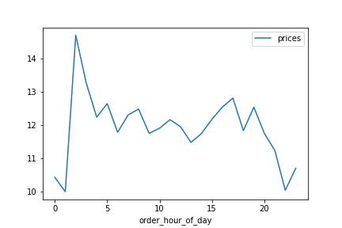

The chart above shows order hour of day on the X-axis and average price on the Y-axis. There is a spike in prices in the early hours of the morning, with a sustained level throughout the day.

3. Instacart has a lot of products with different price tags. Marketing and sales want to use
simpler price range groupings to help direct their efforts.

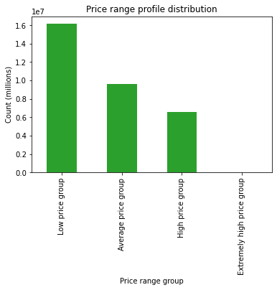

The chart above shows how many price range groupings there are. There are 16 million items that can be classified as in the "low price group". There are some outliers in the "extremely high price group" as well.

4. Are there certain types of products that are more popular than others? The marketing
and sales teams want to know which departments have the highest frequency of product
orders.

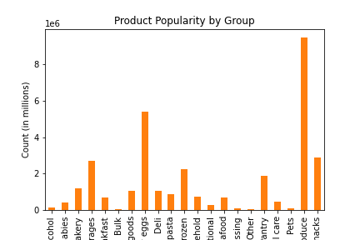

The chart above shows the popularity of each product group. Produce sees the most sales out of all the groups by far.

5a. What’s the distribution among users in regards to their brand loyalty (i.e., how
often do they return to Instacart)?

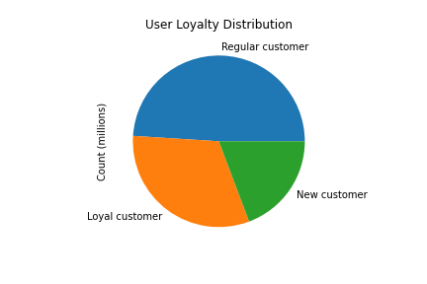

The majority of Instacart's customers are regular customers.

5b. Are there differences in ordering habits based on a customer’s loyalty status?

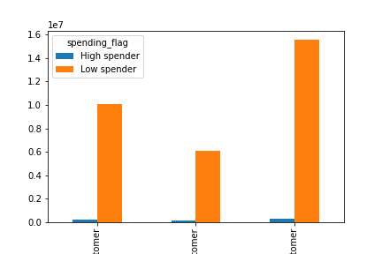

Most customers for all three loyalty statuses are low spenders.

5c. Are there differences in ordering habits based on a customer’s region?

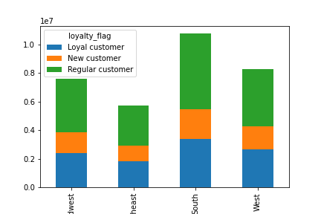

Most of Instacart's customers are from the South region. They have the highest of all loyalty status customer groups as well.

5d. Is there a connection between age and family status in terms of ordering habits?

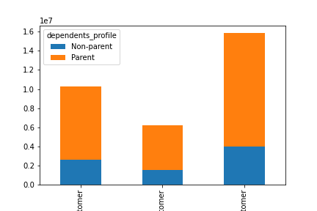
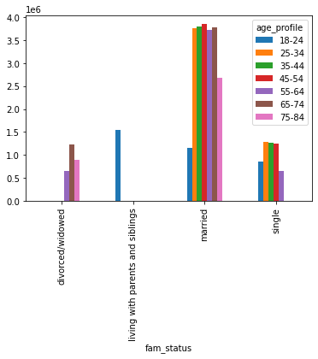

The majority of each loyalty group is made of parents/caretakers.

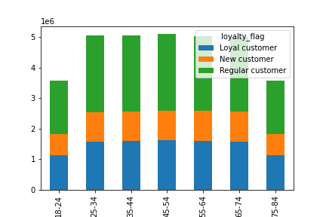

 | Those who live with their parents/siblings skew younger, in the 18-24 range. Those who are divorced/widowed skew older, mostly 65-74.
 | The amount of customers who are married is quite high, and see a wider range of ages.

The distribution of loyalty status customers among age groups seems symmetrical across the board.

5e. What different classifications does the demographic information suggest? Age?
Income? Certain types of goods? Family status?

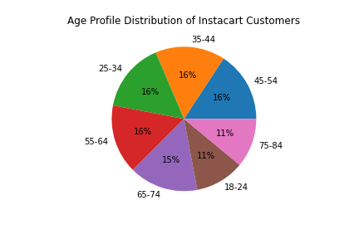

The distribution of Instacart customers by age is largely equal among all groups. The biggest differences are at either ends of the spectrum, with the youngest and oldest groups having a lower population.

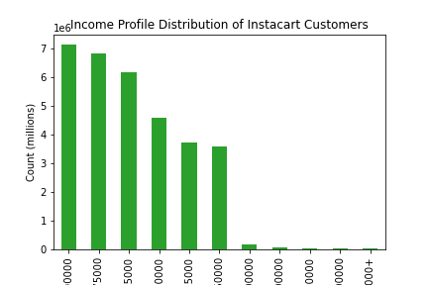

Most of Instacart's customers make anywhere from $50,000 to $100,000. A significant portion also make up to $125,000. It seems Instacart's customers skew 'upper-middle class', depending on the definition.

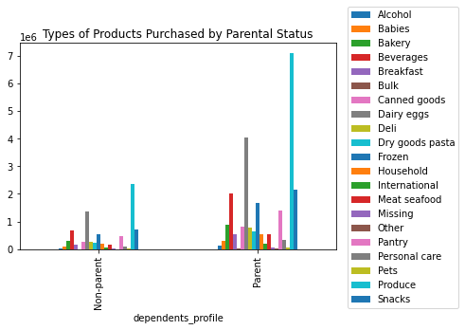

The types of products purchased by those classified as "non-parents" and "parents" seem to be the same, with quantity being the major difference. Those classified as "parents" have lots of mouths to feed, and will therefore purchase many more goods.

5f. What differences can you find in ordering habits of different customer profiles?
Consider the price of orders, the frequency of orders, the products customers are
ordering, and anything else you can think of.

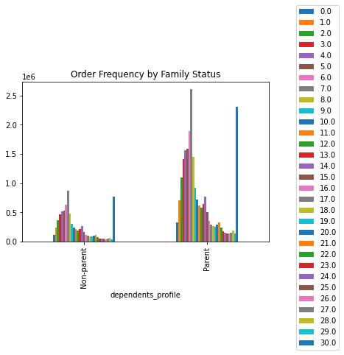

The majority of orders placed by either family status happens within a week. Both groups have a large spike at the 30 day mark.

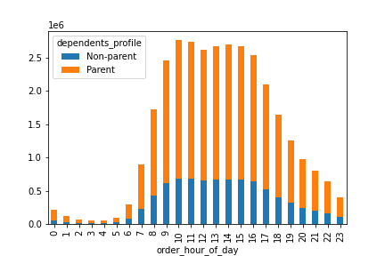

Both groups order the most from around 8am to 5pm each day.

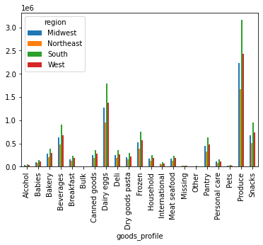

The buying pattern for each type of good is the same across each region. This also shows the importance of the South to Instacart.

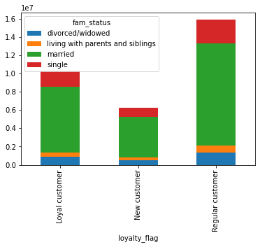

Most of Instacart's regular and loyal customers are married. The second biggest portion are those who are single.

7. Recommendations
 | Title page

Recommendations

In this tab you should include any recommendations you would made to Instcart in terms of their marketing strategy based on the questions posed in the brief. Every key question has been covered in the Tasks of the Exercises - here you need to add an item - a visualisation or table/crosstable that is showing the answer in the data, acompanied by a comment from you. Please, list the questions below and add the answer underneath.

Question 1
The sales team needs to know what the busiest days of the week and hours of the day are (i.e., the days and times with the most orders) in order to schedule ads at times when there are fewer orders.

The top left chart shows day of the week on the X-axis (0 meaning Saturday), with number of orders on the Y-axis. Evidently, Saturday and Sunday are the busiest days for Instacart.
The top right chart shows time on the X-axis (0 meaning midnight), with number of orders on the Y-axis. From roughly 8am to 5pm are the busiest hours for Instacart.

Therefore, the best days for Instacart to schedule ads are Saturday and Sunday. Additionally, it should be most effective for Instacart to schedule ads between around 8am to 5pm.

Question 2
They also want to know whether there are particular times of the day when people spend the most money, as this might inform the type of products they advertise at these times.

The chart above shows order hour of day on the X-axis and average price on the Y-axis. There is a spike in prices in the early hours of the morning, with a sustained level throughout the day.

Question 3
Instacart has a lot of products with different price tags. Marketing and sales want to use simpler price range groupings to help direct their efforts.

The majority of items Instacart sells can be classified as part of the "low price" group. Marketing low price items will help sell more, but higher price items have higher margins. This is a tradeoff that will have to be decided upon.

Question 4
Are there certain types of products that are more popular than others? The marketing and sales teams want to know which departments have the highest frequency of product orders.

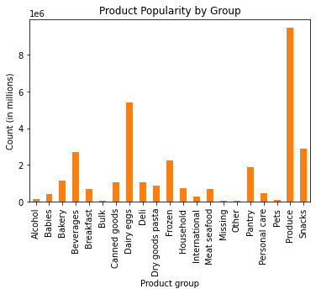

Produce, dairy/eggs, snacks, beverages, and frozen are the top 5 most popular categories. Instacart should focus more on these high-selling categories and perhaps cut down on those that do not perform as well, like bulk items.

Question 5a
What’s the distribution among users in regards to their brand loyalty (i.e., how often do they return to Instacart)?

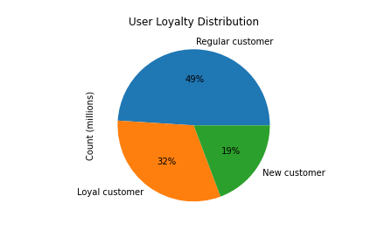

49% of Instacart's customers are regular, returning customers, meaning they ordered between 10 and 40 times. 32% of customers are loyal, meaning they ordered over 40 times. The final 19% of customers are new and ordered less than 10 times.
Instacart could devise new ways on retaining existing customers, perhaps through subscriptions, discounts, and so on.

Question 5b
Are there differences in ordering habits based on a customer’s loyalty status?

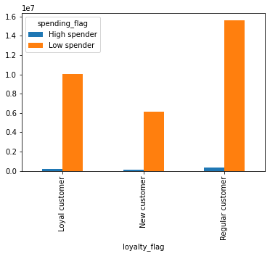

Most of the customers, regardless of loyalty status, are low spenders. They frequently spend $10 or less.
As mentioned earlier, Instacart could stock more of these low cost items or increase high-cost items with better margins.

Question 5c
Are there differences in ordering habits based on a customer’s region?

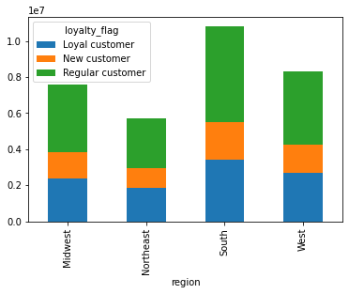

Customers frrom the South make up the most of Instacart's regular customers. Instacart might want to build more warehouses/distribution centers/servers/etc. around the South to support the large customer base.

Question 5d
Is there a connection between age and family status in terms of ordering habits?

Most of Instacart's customers are married. The distribution of ages is largely equal from 25 up to 74. Focusing on the products this crowd buys could be important for Instacart.

Question 5e
What different classifications does the demographic information suggest? Age? Income? Certain types of goods? Family status?

The distribution of Instacart customers by age is largely equal among all groups. The biggest differences are at either ends of the spectrum, with the youngest and oldest groups having a slightly lower population.

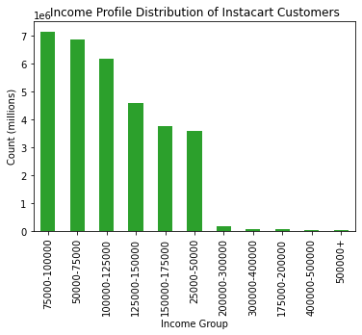

Most of Instacart's customers make anywhere from $50,000 to $100,000. A significant portion also make up to $125,000. It seems Instacart's customers skew 'upper-middle class', depending on the definition.

The types of products purchased by those classified as "non-parents" and "parents" seem to be the same, with quantity being the major difference. Those classified as "parents" have lots of mouths to feed, and will therefore purchase many more goods.

Therefore it would seem to make the most sense for Instacart to market to middle/upper-middle class married parents who are at least 25 years old. Based on the data, this makes up a large portion of Instacart's users.

Marketing to this demographic could reinforce the users Instacart already has, and gain new ones as well.

Question 5f
What differences can you find in ordering habits of different customer profiles? Consider the price of orders, the frequency of orders, the products customers are ordering, any anything else you can think of.

The majority of orders placed by either family status happens within a week. Both groups have a large spike at the 30 day mark.

Both groups order the most from around 8am to 5pm each day.

The buying pattern for each type of good is the same across each region. This also shows the importance of the South to Instacart.

Most of Instacart's regular and loyal customers are married. The second biggest portion are those who are single.

